chi2 and p value
Observed |  | precedence | s2
 |  | ¬V | V | total rows |  | * Note: total rows and total cols are requried to calculate the expected frequences
synchronous | ¬V | 6418 | 73 | 6491
s1 | V | 14 | 0 | 14
 | total cols | 6432 | 73 | 6505 | grand total

Expected
calucalting the exptected frequencey table
 | if the H0 (null hypothesis) of indep. Was correct

 |  | precedence | s2
 |  | ¬V | V |  | we do need to form this table to calculate pvalue
synchronous | ¬V | 6418 | 73 |  | each sell is the (corresponding total row * corresponding total col)/grand total
s1 | V | 14 | 0

chi2 = | sum of ( | (Observed-Expected)^2 |  | )
 |  | Expected

chi2 = | sum of ( | 0.000 | 0.000 | )
 |  | 0.002 | 0.157

chi2 = | 0.159 |  | Excel does not support direct calculation of chi2
 |  |  | we don’t need it as we can calculate the p value from the two tables

p-value = | 68.99% | if < 5% then we reject the null hypothesis of indep.

OR = | 0

Also, using online calculator
https://www.socscistatistics.com/tests/chisquare2/default2.aspx

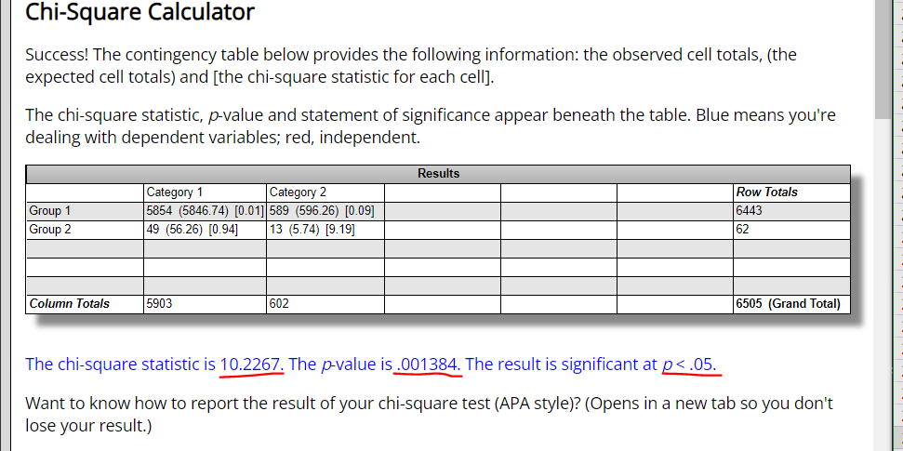

 | code values for the synchronous precedence

Yule Q
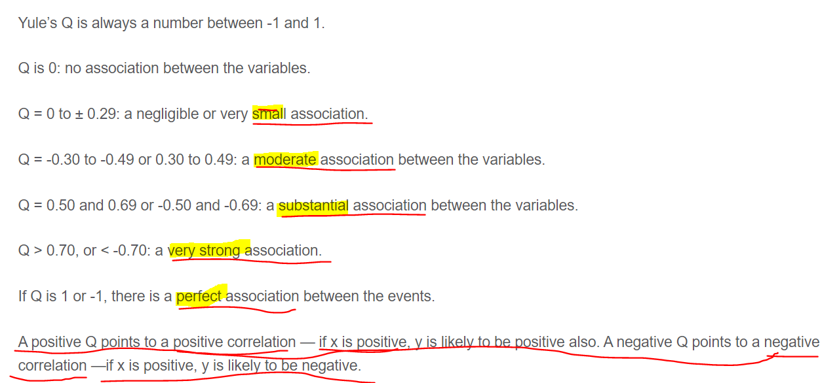
 |  | s2
 |  | precedence
 |  | ¬V | V
synchronous | ¬V | 6418 | 73
 | V | 14 | 0
s1

 |  |  |  | a | b
 |  |  |  | c | d
OR= | 0 |  | OR = a*d / b*c
YuleQ= | -1 |  | YuleQ = (OR-1)/(OR+1)

